Unit Testing
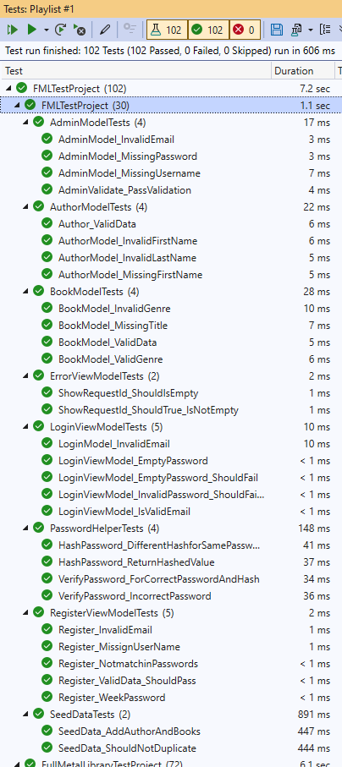
Test Number | Test Case | Class | Input | Output | Pass/Fail
TC_UT_01 | Verify that the Index() action of HomeController returns a ViewResult. | HomeController | Call to Index() | Returns a ViewResult object. | Y
TC_UT_02 | Verify that the Privacy() action of HomeController returns a ViewResult. | HomeController | Call to Privacy() | Returns a ViewResult object. | Y
TC_UT_03 | Check that the Error() action returns a ViewResult containing a valid ErrorViewModel. | HomeController | Mock HttpContext, call Error() | ViewResult returned with a populated ErrorViewModel. | Y
TC_UT_04 | Ensure that Error() sets RequestId correctly in the model. | HomeController | Mock HttpContext, call Error() | ErrorViewModel.RequestId is not null or empty. | Y
TC_UT_05 | Validate that ShowRequestId property returns true when RequestId is not empty. | HomeController | Mock HttpContext, call Error() | ErrorViewModel.ShowRequestId = true. | Y
TC_UT_06 | Confirm that the HomeController constructor initializes successfully with a mock logger. | HomeController | Mock<ILogger<HomeController>> | Controller instance created successfully. | Y
TC_UT_07 | Check that BooksController.Index() returns all books when no filter is applied. | BooksController | Index(null, null) | Returns 5 Book objects in a ViewResult. | Y
TC_UT_08 | Verify that searching by book title filters results correctly. | BooksController | Search query: "Harry" | Returns one book titled "Harry Potter". | Y
TC_UT_09 | Verify that searching by author's first name filters correctly. | BooksController | Search query: "Stephen" | Returns all books authored by Stephen King. | Y
TC_UT_10 | Verify that searching by author's last name filters correctly. | BooksController | Search query: "King" | Returns books with Author.LastName == "King". | Y
TC_UT_11 | Verify that searching by genre filters results correctly. | BooksController | Search query: "Horror" | Returns 2 books with Genre == "Horror". | Y
TC_UT_12 | Check that search with no matches returns empty list. | BooksController | Search query: "NonexistentBook123" | Returns empty book list. | Y
TC_UT_13 | Verify that AZ sorting returns books in ascending title order. | BooksController | Sort parameter: "az" | Books returned in ascending alphabetical order. | Y
TC_UT_14 | Verify that ZA sorting returns books in descending title order. | BooksController | Sort parameter: "za" | Books returned in descending alphabetical order. | Y
TC_UT_15 | Check that Details action returns correct book for valid ID. | BooksController | ID: 1 | Returns ViewResult with specified Book object. | Y
TC_UT_16 | Verify that Details action returns NotFound for null ID. | BooksController | ID: null | Returns NotFoundResult. | Y
TC_UT_17 | Verify that Details action returns NotFound for non-existent ID. | BooksController | ID: 999 | Returns NotFoundResult. | Y
TC_UT_18 | Check that Create GET action returns View. | BooksController | Call to Create() | Returns ViewResult. | Y
TC_UT_19 | Verify that Create POST action creates valid book and redirects. | BooksController | Valid Book object | Redirects to Index action, book created in database. | Y
TC_UT_20 | Check that Create POST detects future publish dates. | BooksController | Book with future publish date | Returns View with model error for PublishDate. | Y
TC_UT_21 | Verify that Create POST returns View for invalid model. | BooksController | Invalid Book object | Returns View with model errors. | Y
TC_UT_22 | Check that Edit GET returns correct book for valid ID. | BooksController | ID: 1 | Returns ViewResult with specified Book. | Y
TC_UT_23 | Verify that Edit POST updates book data correctly. | BooksController | ID: 1, updated Book | Redirects to Index, book updated in database. | Y
TC_UT_24 | Check that Edit POST returns NotFound for ID mismatch. | BooksController | ID: 2, Book with ID:1 | Returns NotFoundResult. | Y
TC_UT_25 | Verify that Delete GET returns correct book for valid ID. | BooksController | ID: 1 | Returns ViewResult with specified Book. | Y
TC_UT_26 | Check that Delete POST removes book from database. | BooksController | ID: 1 | Redirects to Index, book removed from database. | Y
TC_UT_27 | Verify that Delete POST handles non-existent IDs gracefully. | BooksController | ID: 999 | Redirects to Index without error. | Y
TC_UT_28 | Check that BookExists returns true for existing book. | BooksController | ID: 1 | Returns true. | Y
TC_UT_29 | Check that BookExists returns false for non-existent book. | BooksController | ID: 999 | Returns false. | Y
TC_UT_30 | Verify that IsLoggedIn returns true when session has AdminUser. | BooksController | Session with AdminUser | Returns true. | Y
TC_UT_31 | Verify that IsLoggedIn returns false when session has no AdminUser. | BooksController | Session without AdminUser | Returns false. | Y
TC_UT_32 | Check that AuthorsController.Index() returns all authors when no filter. | AuthorsController | Index(null, null) | Returns 5 Author objects in ViewResult. | Y
TC_UT_33 | Verify that searching by first name filters authors correctly. | AuthorsController | Search query: "Stephen" | Returns author with FirstName "Stephen". | Y
TC_UT_34 | Verify that searching by last name filters authors correctly. | AuthorsController | Search query: "Orwell" | Returns author with LastName "Orwell". | Y
TC_UT_35 | Check that search with no matches returns empty author list. | AuthorsController | Search query: "NonexistentAuthor" | Returns empty author list. | Y
TC_UT_36 | Verify that AZ sorting returns authors in ascending last name order. | AuthorsController | Sort parameter: "az" | Authors returned in ascending last name order. | Y
TC_UT_37 | Verify that ZA sorting returns authors in descending last name order. | AuthorsController | Sort parameter: "za" | Authors returned in descending last name order. | Y
TC_UT_38 | Check that default sorting returns authors in ascending order. | AuthorsController | Index(null, null) | Authors returned in ascending last name order. | Y
TC_UT_39 | Verify that empty database returns empty author list. | AuthorsController | Index(null, null) on empty DB | Returns empty author list. | Y
TC_UT_40 | Check that Details action returns correct author for valid ID. | AuthorsController | ID: 1 | Returns ViewResult with specified Author. | Y
TC_UT_41 | Verify that Details action returns NotFound for null ID. | AuthorsController | ID: null | Returns NotFoundResult. | Y
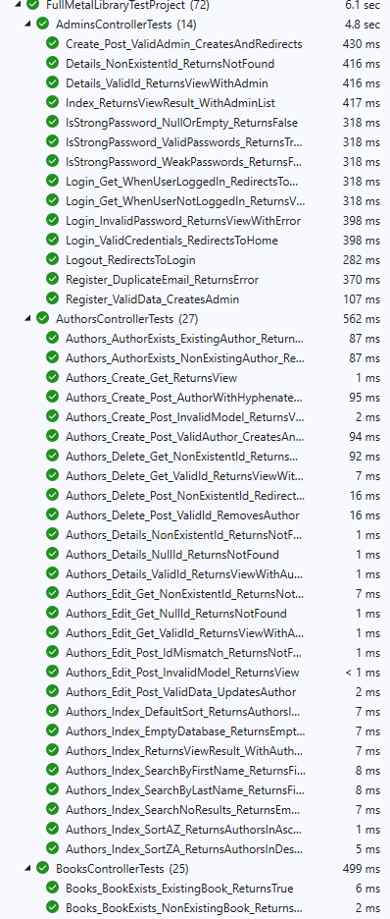
TC_UT_42 | Verify that Details action returns NotFound for non-existent ID. | AuthorsController | ID: 999 | Returns NotFoundResult. | Y
TC_UT_43 | Check that Create GET action returns View. | AuthorsController | Call to Create() | Returns ViewResult. | Y
TC_UT_44 | Verify that Create POST creates valid author and redirects. | AuthorsController | Valid Author object | Redirects to Index, author created in database. | Y
TC_UT_45 | Verify that Create POST returns View for invalid model. | AuthorsController | Invalid Author object | Returns View with model errors. | Y
TC_UT_46 | Check that Create POST handles hyphenated names correctly. | AuthorsController | Author with hyphenated first name | Redirects to Index, author created successfully. | Y
TC_UT_47 | Check that Edit GET returns correct author for valid ID. | AuthorsController | ID: 1 | Returns ViewResult with specified Author. | Y
TC_UT_48 | Verify that Edit GET returns NotFound for non-existent ID. | AuthorsController | ID: 999 | Returns NotFoundResult. | Y
TC_UT_49 | Verify that Edit GET returns NotFound for null ID. | AuthorsController | ID: null | Returns NotFoundResult. | Y
TC_UT_50 | Check that Edit POST updates author data correctly. | AuthorsController | ID: 1, updated Author | Redirects to Index, author updated in database. | Y
TC_UT_51 | Verify that Edit POST returns NotFound for ID mismatch. | AuthorsController | ID: 2, Author with ID:1 | Returns NotFoundResult. | Y
TC_UT_52 | Verify that Edit POST returns View for invalid model. | AuthorsController | Invalid Author object | Returns View with model errors. | Y
TC_UT_53 | Check that Delete GET returns correct author for valid ID. | AuthorsController | ID: 1 | Returns ViewResult with specified Author. | Y
TC_UT_54 | Verify that Delete GET returns NotFound for non-existent ID. | AuthorsController | ID: 999 | Returns NotFoundResult. | Y
TC_UT_55 | Check that Delete POST removes author from database. | AuthorsController | ID: 1 | Redirects to Index, author removed from database. | Y
TC_UT_56 | Verify that Delete POST handles non-existent IDs gracefully. | AuthorsController | ID: 999 | Redirects to Index without error. | Y
TC_UT_57 | Check that AuthorExists returns true for existing author. | AuthorsController | ID: 1 | Returns true. | Y
TC_UT_58 | Check that AuthorExists returns false for non-existent author. | AuthorsController | ID: 999 | Returns false. | Y
TC_UT_59 | Verify that Login with valid credentials redirects to Home. | AdminsController | Valid LoginViewModel | Redirects to Home/Index. | Y
TC_UT_60 | Check that Login GET redirects when user already logged in. | AdminsController | User already logged in | Redirects to Home/Index. | Y
TC_UT_61 | Verify that Login GET returns View when user not logged in. | AdminsController | No user logged in | Returns View with LoginViewModel. | Y
TC_UT_62 | Check that Login with invalid password returns error. | AdminsController | Invalid password | Returns View with model error. | Y
TC_UT_63 | Verify that Logout redirects to Login. | AdminsController | Call to Logout() | Redirects to Login action. | Y
TC_UT_64 | Check that Register creates admin with valid data. | AdminsController | Valid RegisterViewModel | Redirects, admin created in database. | Y
TC_UT_65 | Verify that Register returns error for duplicate email. | AdminsController | Duplicate email address | Returns View with model error. | Y
TC_UT_66 | Check that Index returns admin list. | AdminsController | Index(null, null) | Returns ViewResult with admin list. | Y
TC_UT_67 | Verify that Details returns correct admin for valid ID. | AdminsController | ID: 1 | Returns ViewResult with specified Admin. | Y
TC_UT_68 | Check that Details returns NotFound for non-existent ID. | AdminsController | ID: 999 | Returns NotFoundResult. | Y
TC_UT_69 | Verify that Create POST creates admin successfully. | AdminsController | Valid Admin object | Redirects to Index, admin created. | Y
TC_UT_70 | Check that IsStrongPassword validates strong passwords correctly. | AdminsController | Strong password strings | Returns true for strong passwords. | Y
TC_UT_71 | Verify that IsStrongPassword rejects weak passwords. | AdminsController | Weak password strings | Returns false for weak passwords. | Y
TC_UT_72 | Check that IsStrongPassword handles null/empty passwords. | AdminsController | Null or empty strings | Returns false. | Y
TC_UT_73 | Verify that SeedData adds authors and books correctly. | SeedData | Initialize context | 5 authors and 3 books seeded. | Y
TC_UT_74 | Check that SeedData prevents duplication on multiple calls. | SeedData | Initialize context twice | No duplicate authors or books. | Y
TC_UT_75 | Verify that RegisterViewModel validates valid data. | RegisterViewModel | Valid registration data | No validation errors. | Y
TC_UT_76 | Check that RegisterViewModel detects missing username. | RegisterViewModel | Missing username | Validation error for UserName. | Y
TC_UT_77 | Verify that RegisterViewModel detects invalid email format. | RegisterViewModel | Invalid email format | Validation error for Email. | Y
TC_UT_78 | Verify that RegisterViewModel detects weak passwords. | RegisterViewModel | Weak password | Validation error for Password. | Y
TC_UT_79 | Verify that RegisterViewModel detects password mismatch. | RegisterViewModel | Mismatched passwords | Validation error for ConfirmPassword. | Y
TC_UT_80 | Check that PasswordHelper hashes passwords correctly. | PasswordHelper | Password string | Returns hashed value. | Y
TC_UT_81 | Verify that PasswordHelper verifies correct passwords. | PasswordHelper | Correct password and hash | Returns true. | Y
TC_UT_82 | Check that PasswordHelper rejects incorrect passwords. | PasswordHelper | Wrong password | Returns false. | Y
TC_UT_83 | Verify that PasswordHelper produces different hashes for same password. | PasswordHelper | Same password twice | Different hash values. | Y
TC_UT_84 | Check that LoginViewModel validates valid data. | LoginViewModel | Valid login data | No validation errors. | Y
TC_UT_85 | Verify that LoginViewModel detects invalid email format. | LoginViewModel | Invalid email format | Validation error. | Y
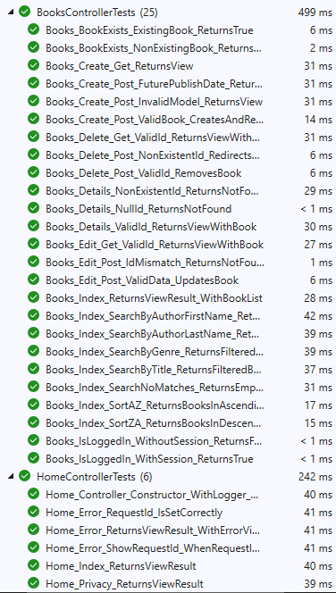
TC_UT_86 | Verify that LoginViewModel detects empty passwords. | LoginViewModel | Empty password | Validation error. | Y
TC_UT_87 | Verify that LoginViewModel detects weak password format. | LoginViewModel | Weak password format | Validation error. | Y
TC_UT_88 | Check that ErrorViewModel.ShowRequestId is true for non-empty RequestId. | ErrorViewModel | RequestId = "12345" | ShowRequestId = true. | Y
TC_UT_89 | Verify that ErrorViewModel.ShowRequestId is false for empty RequestId. | ErrorViewModel | RequestId = "" | ShowRequestId = false. | Y
TC_UT_90 | Check that Book model validates valid data. | Book | Valid book data | No validation errors. | Y
TC_UT_91 | Verify that Book model detects missing title. | Book | Empty title | Validation error for Title. | Y
TC_UT_92 | Check that Book model accepts valid genres. | Book | Various valid genres | No validation errors. | Y
TC_UT_93 | Verify that Book model detects invalid genre formats. | Book | Various invalid genres | Validation errors for Genre. | Y
TC_UT_94 | Check that Author model validates valid data. | Author | Valid author data | No validation errors. | Y
TC_UT_95 | Verify that Author model detects missing first name. | Author | Empty first name | Validation error for FirstName. | Y
TC_UT_96 | Verify that Author model detects invalid first name format. | Author | Invalid first name format | Validation error for FirstName. | Y
TC_UT_97 | Verify that Author model detects invalid last name format. | Author | Invalid last name format | Validation error for LastName. | Y
TC_UT_98 | Check that Admin model validates valid data. | Admin | Valid admin data | No validation errors. | Y
TC_UT_99 | Verify that Admin model detects missing username. | Admin | Empty username | Validation error for UserName. | Y
TC_UT_100 | Verify that Admin model detects invalid email format. | Admin | Invalid email format | Validation error for EmailAddress. | Y
TC_UT_101 | Verify that Admin model detects missing password hash. | Admin | Empty password hash | Validation error for PasswordHash. | Y

Automation Test
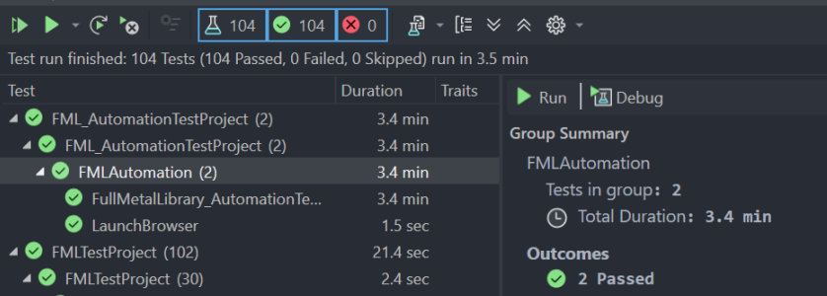
We had all the automation tests within a single test method, because otherwise it would run them out of order and break the test run. Hence why it took 3.4 minutes to run it.

